EU Ind. Sector - EPS Crosswalk
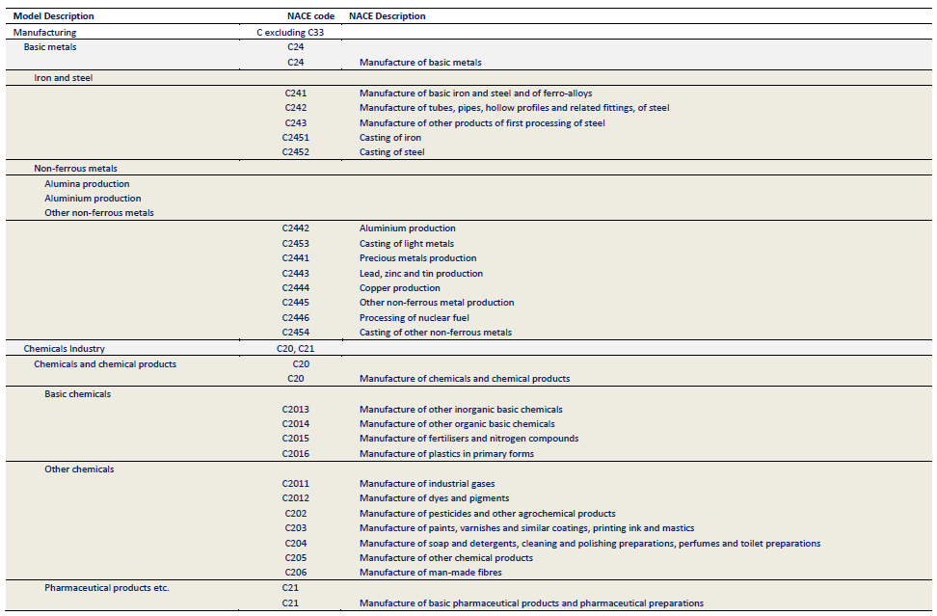
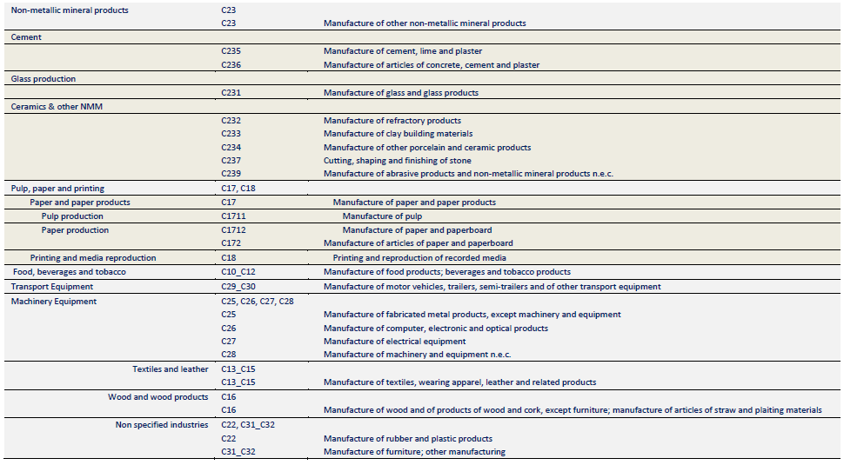
Fully Disaggregated Industry Categories

Relevant POTEnCIA File | Eurostat Energy Balance Category | EPS Industry Sector Category | Notes
File: Central_2018_EU28_ter_det_yearly, Sheet: AGR | Agriculture (FC_OTH_AF_E) | agriculture and forestry 01T03
File: Central_2018_EU28_bal_yearly, Sheet: cenpren | Coal Mining (NRG_CM_E) | coal mining 05 | POTEnCIA category is not disaggregated exactly the same way; use disaggregated Eurostat data for 'coal mining' and 'oil and gas extraction' to calculate the fuel split and apply this to the aggregated numbers of the Potencia scenario.
File: Central_2018_EU28_bal_yearly, Sheet: cenpren | Oil and Natural Gas Extraction Plants (NRG_OIL_NG_E) | oil and gas extraction 06 | POTEnCIA category is not disaggregated exactly the same way; use disaggregated Eurostat data for 'coal mining' and 'oil and gas extraction' to calculate the fuel split and apply this to the aggregated numbers of the Potencia scenario.
File: Central_2018_EU28_ind_yearly, Sheet: Other Industrial Sectors | Mining and Quarrying (FC_IND_MQ_E) | other mining and quarrying 07T08 | Use Eurostat data to calculat fuel split and apply to aggregated POTEnCIA category
File: Central_2018_EU28_ind_yearly, Sheet: FBT | Food, Beverages and Tobacco (FC_IND_FBT_E) | food beverage and tobacco 10T12
File: Central_2018_EU28_ind_yearly, Sheet: TEL | Textile and Leather (FC_IND_TL_E) | textiles apparel and leather 13T15
File: Central_2018_EU28_ind_yearly, Sheet: WWP | Wood and Wood Products (FC_IND_WP_E) | wood products 16
File: Central_2018_EU28_ind_yearly, Sheet: PPA | Pulp, Paper and Printing (FC_IND_PPP_E) | pulp paper and printing 17T18
File: Central_2018_EU28_bal_yearly, Sheets: cenrf, neos | Petroleum Refineries (NRG_PR_E), Non-energy Use in Other Sectors (NRG_OTH_NE) | refined petroleum and coke 19 | non-industry sector in EU data; This is found in the 'consumption in energy sector' section in the EU energy balance under 'petroleum refineries'
File: Central_2018_EU28_ind_yearly, Sheet: CHI | Chemical and Petrochemical (FC_IND_CPC_E) | chemicals 20
File: Central_2018_EU28_ind_yearly, Sheet: Other Industrial Sectors | Not Elsewhere Specified (FC_IND_NSP_E) | rubber and plastic products 22
File: Central_2018_EU28_ind_yearly, Sheet: NMM (Glass production) | Non-Metallic Minerals (FC_IND_NMM_E) | glass and glass products 231 | fuels used in certain end processes are not specified
File: Central_2018_EU28_ind_yearly, Sheet: NMM (Cement) | Non-Metallic Minerals (FC_IND_NMM_E) | cement and other nonmetallic minerals 239 | fuels used in certain end processes are not specified
File: Central_2018_EU28_ind_yearly, Sheet: ISI | Iron and Steel (FC_IND_IS_E) | iron and steel 241
File: Central_2018_EU28_ind_yearly, Sheet: NFM | Non-Ferrous Metals (FC_IND_NFM_E) | other metals 242
File: Central_2018_EU28_ind_yearly, Sheet: MAE | Machinery (FC_IND_MAC_E) | metal products except machinery and vehicles 25 | lumped in with Machinery category
File: Central_2018_EU28_ind_yearly, Sheet: MAE | Machinery (FC_IND_MAC_E) | computers and electronics 26 | lumped in with Machinery category
File: Central_2018_EU28_ind_yearly, Sheet: MAE | Machinery (FC_IND_MAC_E) | appliances and electrical equipment 27 | lumped in with Machinery category
File: Central_2018_EU28_ind_yearly, Sheet: MAE | Machinery (FC_IND_MAC_E) | other machinery 28 | lumped in with Machinery category
File: Central_2018_EU28_ind_yearly, Sheet: TRE | Transport Equipment (FC_IND_TE_E) | road vehicles 29 | Could scale transport equipment fuel use by automobile manufacturing output in input-output data
File: Central_2018_EU28_ind_yearly, Sheet: TRE | Transport Equipment (FC_IND_TE_E) | nonroad vehicles 30 | Could scale transport equipment fuel use by automobile manufacturing output in input-output data
File: Central_2018_EU28_ind_yearly, Sheet: Other Industrial Sectors | Not Elsewhere Specified (FC_IND_NSP_E) | other manufacturing 31T33 | Use Eurostat data to calculat fuel split and apply to aggregated POTEnCIA category
File: Central_2018_EU28_bal_yearly, Sheet: cpi | Pipeline Transport (FC_TRA_PIPE_E) | energy pipelines and gas processing 352T353
n/a; see methodology notes in About sheet | n/a; see methodology notes in About sheet | water and waste 36T39 | non-industry sector in EU data; Not listed in Energy Balance
File: Central_2018_EU28_ind_yearly, Sheet: Other Industrial Sectors | Construction (FC_IND_CON_E) | construction 41T43 | Use Eurostat data to calculat fuel split and apply to aggregated POTEnCIA category

Aggregated Industry Categories

Note: For aggregated industry sectors, assign aggregated values to the highlighted EPS industry sectory category. This aggregation and categorization must be consistent across all economic and industry variables.

Relevant POTEnCIA File | Aggregated POTEnCIA/Eurostat Category | EPS Industry Sector Categories | Web App sector name for aggregated EPS sector categories
File: Central_2018_EU28_ter_det_yearly, Sheet: AGR | Agriculture (FC_OTH_AF_E) | agriculture and forestry 01T03 | Agriculture and Forestry
File: Central_2018_EU28_ind_yearly, Sheet: FBT | Food, Beverages and Tobacco (FC_IND_FBT_E) | food beverage and tobacco 10T12 | Food, Beverage and Tobacco
File: Central_2018_EU28_ind_yearly, Sheet: TEL | Textile and Leather (FC_IND_TL_E) | textiles apparel and leather 13T15 | Textiles, Apparel and Leather
File: Central_2018_EU28_ind_yearly, Sheet: WWP | Wood and Wood Products (FC_IND_WP_E) | wood products 16 | Wood Products
File: Central_2018_EU28_ind_yearly, Sheet: PPA | Pulp, Paper and Printing (FC_IND_PPP_E) | pulp paper and printing 17T18 | Pulp, Paper and Printing
File: Central_2018_EU28_bal_yearly, Sheets: cenrf, neos | Petroleum Refineries (NRG_PR_E), Non-energy Use in Other Sectors (NRG_OTH_NE) | refined petroleum and coke 19 | Refined Petroleum and Coke
File: Central_2018_EU28_ind_yearly, Sheet: CHI | Chemical and Petrochemical (FC_IND_CPC_E) | chemicals 20 | Chemicals
File: Central_2018_EU28_ind_yearly, Sheet: ISI | Iron and Steel (FC_IND_IS_E) | iron and steel 241 | Iron and Steel
File: Central_2018_EU28_ind_yearly, Sheet: NFM | Non-Ferrous Metals (FC_IND_NFM_E) | other metals 242 | Other Metals
File: Central_2018_EU28_bal_yearly, Sheet: cenpren | Coal Mining (NRG_CM_E) | coal mining 05 | Primary Energy Production
 | Oil and Natural Gas Extraction Plants (NRG_OIL_NG_E) | oil and gas extraction 06
File: Central_2018_EU28_ind_yearly, Sheet: NMM | Non-Metallic Minerals (FC_IND_NMM_E) | glass and glass products 231 | Non-Metallic Minerals
 |  | cement and other nonmetallic minerals 239
File: Central_2018_EU28_bal_yearly, Sheet: cpi | Pipeline Transport (FC_TRA_PIPE_E) | energy pipelines and gas processing 352T353 | Energy Pipelines and Gas Processing
File: Central_2018_EU28_ind_yearly, Sheet: MAE | Machinery (FC_IND_MAC_E) | metal products except machinery and vehicles 25 | Machinery
 |  | computers and electronics 26
 |  | appliances and electrical equipment 27
 |  | other machinery 28
File: Central_2018_EU28_ind_yearly, Sheet: TRE | Transport Equipment (FC_IND_TE_E) | road vehicles 29 | Transport Equipment
 |  | nonroad vehicles 30
File: Central_2018_EU28_ind_yearly, Sheet: Other Industrial Sectors | Mining and Quarrying (FC_IND_MQ_E) | other mining and quarrying 07T08 | Other Industrial Sectors
 | Not Elsewhere Specified (FC_IND_NSP_E) | rubber and plastic products 22
 |  | other manufacturing 31T33
 | Construction (FC_IND_CON_E) | construction 41T43
n/a; see methodology notes in About sheet | n/a; see methodology notes in About sheet | water and waste 36T39 | Water and Waste

POTEnCIA Model Decsription - NACE Code Mapping

Source: JRC
https://publications.jrc.ec.europa.eu/repository/handle/JRC100638
pp. 140-141

CC in Chemical Industry
From the POTEnCIA central scenario data it is not apparent which fuel was used to power the energy-intensive process of CCS. We therefore make our own calculations and assumptions (see Carbon Capture Calculations).

 | 2017 | 2018 | 2019 | 2020 | 2021 | 2022 | 2023 | 2024 | 2025 | 2026 | 2027 | 2028 | 2029 | 2030 | 2031 | 2032 | 2033 | 2034 | 2035 | 2036 | 2037 | 2038 | 2039 | 2040 | 2041 | 2042 | 2043 | 2044 | 2045 | 2046 | 2047 | 2048 | 2049 | 2050
Process Emissions | 52790.214548 | 53536.325807 | 54445.752343 | 55399.935918 | 56062.411092 | 56770.577749 | 57347.246337 | 57785.45739 | 58320.636314 | 58893.023129 | 59498.435012 | 60058.764532 | 60552.769206 | 60897.093713 | 61332.95416 | 61425.730549 | 61215.449142 | 60345.759293 | 59047.882114 | 58653.054246 | 56185.511076 | 53495.532025 | 51180.145351 | 48537.959144 | 47263.005074 | 45206.303272 | 42789.801697 | 39875.759186 | 39302.118191 | 37384.794543 | 32654.22513 | 31833.977945 | 28849.452841 | 26160.510145
Electricity | 15679.567941 | 15815.97604 | 15917.091691 | 16206.44026 | 16286.788393 | 16365.597329 | 16368.560568 | 16487.736411 | 16482.819723 | 16602.603748 | 16609.063887 | 16712.248903 | 16763.774607 | 16789.979595 | 16850.622028 | 16936.136305 | 17006.072328 | 17076.094358 | 17118.442997 | 17227.150108 | 17304.839546 | 17412.563831 | 17502.303771 | 17595.17828 | 17710.83582 | 17857.230381 | 17944.958266 | 18119.968945 | 18264.629318 | 18454.933231 | 18645.006343 | 18800.658993 | 18982.954321 | 19170.695737
Natural Gas | 17929.612084 | 17854.576273 | 17683.216032 | 17693.436594 | 17691.479888 | 17587.706921 | 17255.678545 | 17169.687891 | 17143.554563 | 17141.668117 | 16998.505585 | 17033.47697 | 17006.989179 | 16805.36474 | 16828.430626 | 16668.887277 | 16446.46061 | 16278.943563 | 15886.415338 | 15944.474323 | 15724.743871 | 15502.333559 | 15286.772475 | 15083.637533 | 14680.032423 | 14430.674787 | 13800.15897 | 13559.280624 | 13353.126898 | 13019.02573 | 12368.242345 | 12018.762885 | 11756.786578 | 11281.775683
Steam Distributed | 7502.3186347 | 7648.5285847 | 7829.4683378 | 8081.9103942 | 8399.8050924 | 8821.9405749 | 9499.4904594 | 9823.6383831 | 10104.158299 | 10463.771791 | 10998.889426 | 11307.601741 | 11493.458989 | 12037.671203 | 12288.435752 | 12721.040273 | 13295.356502 | 13605.824841 | 14220.010634 | 14365.522788 | 14786.868199 | 15269.744655 | 15701.101228 | 16123.139511 | 16763.824238 | 17244.234014 | 17940.981186 | 18250.835975 | 18542.593179 | 18995.466886 | 19662.06903 | 20280.823836 | 20642.623851 | 21188.498123
Non-energy Use Natural Gas | 13858.417207 | 14202.160504 | 14611.064208 | 15037.526983 | 15426.745974 | 15845.169983 | 16389.650085 | 16720.441052 | 17045.837989 | 17397.829957 | 18001.100246 | 18424.983807 | 18628.975493 | 19145.086002 | 19484.068904 | 19858.083507 | 20282.909393 | 20494.548673 | 20821.648211 | 20950.71369 | 21114.488222 | 21278.877205 | 21386.504411 | 21494.069705 | 21628.746141 | 21751.734263 | 21872.231519 | 21962.125925 | 22010.701575 | 22064.907852 | 22088.220144 | 22090.786443 | 22161.860632 | 22151.538313
Non-Energy Use Liquids | 63083.702068 | 63669.505123 | 64194.653895 | 64661.647007 | 64782.807539 | 64962.337876 | 64372.068052 | 64122.006519 | 64067.184699 | 63943.39582 | 63148.688097 | 62798.800384 | 62996.994747 | 62009.790372 | 61739.696423 | 61283.865891 | 60237.836305 | 60133.943291 | 59347.24327 | 59675.848885 | 59536.253388 | 59360.967644 | 59202.42991 | 59083.142131 | 58615.998273 | 58423.622322 | 57305.922628 | 57065.929303 | 56899.834421 | 56723.849307 | 56027.15872 | 55832.538525 | 56021.68166 | 55475.100081

CAGR | 2021-2030 | 2031-2040 | 2041-2050
Electricity | 0.3% | 0.4% | 0.8%
Natural Gas | -0.5% | -1.1% | -2.6%
Steam Distributed | 3.7% | 2.8% | 2.4%
Carbon Capture and Energy Consumption in Chemical Industry
Non-energy Use Natural Gas | 2.2% | 1.0% | 0.2%
Non-Energy Use Liquids | -0.4% | -0.4% | -0.5%

Carbon Capture and Electricity Consumption in Chemical Industry

Carbon Capture Calculations
In the Potencia Central Scenario, the amount of energy that is used for CCS is included in the final energy consumption of the industry sector.

Source: CCS in industry sector in POTENCIA Central Scenario
Data directly requested from Joint Research Centre in May 2020

POTENCIA Central-2018 carbon capture [t CO2]
Code | Country | Sector | 2028 | 2029 | 2030 | 2031 | 2032 | 2033 | 2034 | 2035 | 2036 | 2037 | 2038 | 2039 | 2040 | 2041 | 2042 | 2043 | 2044 | 2045 | 2046 | 2047 | 2048 | 2049 | 2050
EU28 | European Union (before 2020) | Iron and Steel | 23,771 | 48,032 | 88,223 | 115,236 | 345,478 | 655,204 | 1,370,797 | 2,164,359 | 2,645,019 | 4,115,973 | 5,628,598 | 6,823,324 | 8,183,865 | 8,795,774 | 9,863,678 | 10,779,296 | 12,125,603 | 12,391,205 | 13,259,071 | 15,062,654 | 15,157,297 | 16,507,538 | 17,327,989
EU28 | European Union (before 2020) | Non-ferrous metals | 7,049 | 14,017 | 25,954 | 34,200 | 101,155 | 196,568 | 408,381 | 647,385 | 789,540 | 1,213,132 | 1,673,228 | 2,043,778 | 2,447,024 | 2,639,281 | 2,957,689 | 3,226,024 | 3,657,152 | 3,759,694 | 4,028,007 | 4,601,027 | 4,659,854 | 5,078,960 | 5,367,012
EU28 | European Union (before 2020) | Chemicals | 63,780 | 121,355 | 229,015 | 303,716 | 889,428 | 1,763,710 | 3,578,083 | 5,772,675 | 6,975,761 | 10,834,647 | 14,943,645 | 18,429,546 | 22,298,191 | 24,205,886 | 27,231,668 | 30,243,762 | 34,189,031 | 35,142,225 | 37,708,983 | 43,152,968 | 43,945,780 | 47,780,409 | 50,644,314
EU28 | European Union (before 2020) | Cement | 93,670 | 189,948 | 350,761 | 457,357 | 1,375,900 | 2,640,627 | 5,548,928 | 8,803,566 | 10,787,132 | 17,012,400 | 23,348,569 | 29,110,529 | 35,776,295 | 39,352,211 | 44,815,814 | 49,397,163 | 54,710,296 | 55,766,666 | 59,639,520 | 69,074,768 | 69,819,707 | 76,339,711 | 80,748,894
EU28 | European Union (before 2020) | Glass, ceramics & other NMM | 18,928 | 37,065 | 70,964 | 90,452 | 271,912 | 521,006 | 1,070,394 | 1,708,744 | 2,074,906 | 3,213,609 | 4,385,403 | 5,376,747 | 6,437,496 | 6,952,185 | 7,819,875 | 8,660,280 | 9,775,701 | 10,065,941 | 10,766,935 | 12,303,018 | 12,484,718 | 13,555,213 | 14,304,858

Electricity Demand for CCS in Cement, Glass, ceramics & other sectors

For the non-metallic minerals sector we assume Oxyfuel-CCS as the basic CCS technology.

Source: CCS Specific energy requirement
Potenziale und Chancen der Technologie zur CO2-Abtrennung und -Ablagerung (CCS) für industrielle Prozessemissionen (German)
https://www.oeko.de/oekodoc/1504/2012-070-de.pdf
Table 7 p. 38
Comparison of energy requirement for the whole Oxyfuel CCS Process in Industry and power plants considering energy efficiency in large-scale air separation units.

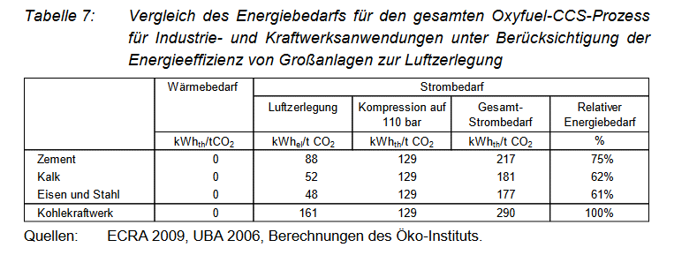

For cement and lime we retrieve the following value for the electricity consumption of oxyfuel CCS.

Total electricity consumption for Oxyfuel CCS in different sectors in kWhth/t CO2
Cement | 217
Lime | 181

We use the following conversion factor from to get from kWh to ktoe
 | 8.5984523E-08

Total electricity consumption for Oxyfuel CCS in different sectors in ktoe/t CO2
Cement | 1.8658641491E-05
Lime | 1.5563198663E-05

Total electricity consumption for Oxyfuel CCS in Cement sector and Lime and Ceramics sector in ktoe/t CO2 captured
 | 2017 | 2018 | 2019 | 2020 | 2021 | 2022 | 2023 | 2024 | 2025 | 2026 | 2027 | 2028 | 2029 | 2030 | 2031 | 2032 | 2033 | 2034 | 2035 | 2036 | 2037 | 2038 | 2039 | 2040 | 2041 | 2042 | 2043 | 2044 | 2045 | 2046 | 2047 | 2048 | 2049 | 2050
Cement | 0 | 0 | 0 | 0 | 0 | 0 | 0 | 0 | 0 | 0 | 0 | 1.7 | 3.5 | 6.5 | 8.5 | 25.7 | 49.3 | 103.5 | 164.3 | 201.3 | 317.4 | 435.7 | 543.2 | 667.5 | 734.3 | 836.2 | 921.7 | 1,020.8 | 1,040.5 | 1,112.8 | 1,288.8 | 1,302.7 | 1,424.4 | 1,506.7
Lime | 0 | 0 | 0 | 0 | 0 | 0 | 0 | 0 | 0 | 0 | 0 | 0.3 | 0.6 | 1.1 | 1.4 | 4.2 | 8.1 | 16.7 | 26.6 | 32.3 | 50.0 | 68.3 | 83.7 | 100.2 | 108.2 | 121.7 | 134.8 | 152.1 | 156.7 | 167.6 | 191.5 | 194.3 | 211.0 | 222.6

Electricity Demand for CCS in Iron and Steel, Non-ferrous metals and chemicals sector

For these sectors we assume a post-combustion CCS technology, as especially for the iron and steel sector there are large volumes of waste gases with a comparatively low CO2 concentration.
Besides, the data in the POTENCIA scenario do not indicate a change of process in the integrated steelworks, as this would be the case with HISARNA-CCS or other processes.

Source: CCS Specific energy requirement
Potenziale und Chancen der Technologie zur CO2-Abtrennung und -Ablagerung (CCS) für industrielle Prozessemissionen (German)
https://www.oeko.de/oekodoc/1504/2012-070-de.pdf
Table 5 p. 33
Comparison of energy requirement for the whole Post-Combustion-CCS Process in Industry and power plants.

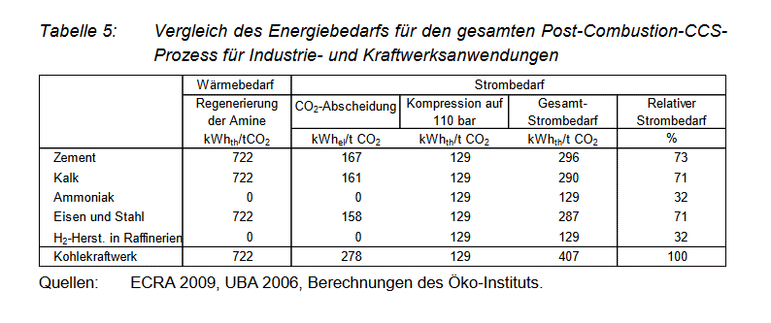

Total electricity consumption for Post-Combustion-CCS in different sectors in kWhth/t CO2
 | electricity | heat consumption for amine gas treatment
Iron and Steel | 287 | 722
Ammonia | 129 | 0

We assume that in the Iron and Steel Sector there is enough excess derived heat to supply for the heat requirement of CCS, so that no additional fuel has to be used

Total electricity consumption for Post-Combustion-CCS in Iron and Steel sector in ktoe/t CO2 captured
 | 2017 | 2018 | 2019 | 2020 | 2021 | 2022 | 2023 | 2024 | 2025 | 2026 | 2027 | 2028 | 2029 | 2030 | 2031 | 2032 | 2033 | 2034 | 2035 | 2036 | 2037 | 2038 | 2039 | 2040 | 2041 | 2042 | 2043 | 2044 | 2045 | 2046 | 2047 | 2048 | 2049 | 2050
Iron and Steel | 0.00 | 0.00 | 0.00 | 0.00 | 0.00 | 0.00 | 0.00 | 0.00 | 0.00 | 0.00 | 0.00 | 0.59 | 1.19 | 2.18 | 2.84 | 8.53 | 16.17 | 33.83 | 53.41 | 65.27 | 101.57 | 138.90 | 168.38 | 201.96 | 217.06 | 243.41 | 266.01 | 299.23 | 305.78 | 327.20 | 371.71 | 374.05 | 407.37 | 427.61

For non-ferrous metals we assume they have the same electricity requirement for CCS as iron and steel.
In reality their energy requirement for CCS would probably be higher than iron and steel, as the CO2 concentration is comparatively low, but the effect for this variable will be neglible.

Total electricity consumption for Post-Combustion-CCS in non-ferrous metals sector in ktoe/t CO2 captured
 | 2017 | 2018 | 2019 | 2020 | 2021 | 2022 | 2023 | 2024 | 2025 | 2026 | 2027 | 2028 | 2029 | 2030 | 2031 | 2032 | 2033 | 2034 | 2035 | 2036 | 2037 | 2038 | 2039 | 2040 | 2041 | 2042 | 2043 | 2044 | 2045 | 2046 | 2047 | 2048 | 2049 | 2050
Non-Ferrous Metals | 0.00 | 0.00 | 0.00 | 0.00 | 0.00 | 0.00 | 0.00 | 0.00 | 0.00 | 0.00 | 0.00 | 0.17 | 0.35 | 0.64 | 0.84 | 2.50 | 4.85 | 10.08 | 15.98 | 19.48 | 29.94 | 41.29 | 50.44 | 60.39 | 65.13 | 72.99 | 79.61 | 90.25 | 92.78 | 99.40 | 113.54 | 114.99 | 125.34 | 132.44

Chemicals
Based on the following table we make assumptions on the energy requirement for the 3 most CO2-intensive chemical processes
The main CO2-intensive chemical processes are steam methane reforming for the production of hydrogen/syngas or ammonia, and steam crackers

Source: Energy Efficiency and and GHG emissions: Prospective Scenarios for the Chemical and Petrochemical Industry
Joint Research Centre 2017
https://publications.jrc.ec.europa.eu/repository/bitstream/JRC105767/kj-na-28471-enn.pdf
Table 15, p. 33

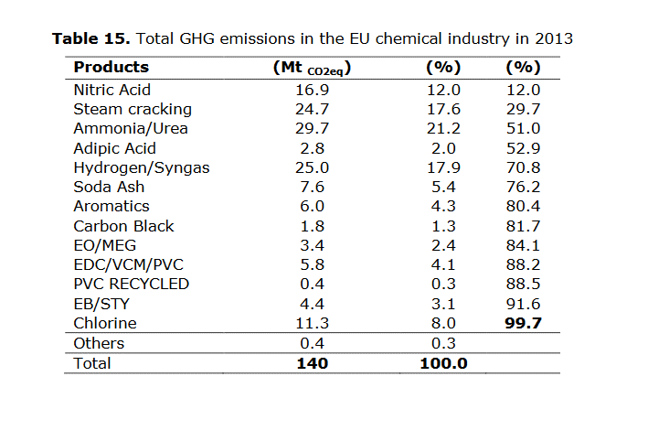

Based on the table the share of emissions of these three sectors are as follows

 | Mt of CO2e | Percentage
TOTAL three processes | 79.4 | 100%
hydrogen/syngas | 25 | 31%
Ammonia | 29.7 | 37%
Steam cracking/CHP plants | 24.7 | 31%

Because of the similarity of the process including methane steam reforming, we assume that the electricity requirement for CCS is the same of ammonia and hydrogen production

Total electricity consumption for Post-Combustion-CCS in Chemical sector for ammonia in ktoe/t CO2 captured
 | 2017 | 2018 | 2019 | 2020 | 2021 | 2022 | 2023 | 2024 | 2025 | 2026 | 2027 | 2028 | 2029 | 2030 | 2031 | 2032 | 2033 | 2034 | 2035 | 2036 | 2037 | 2038 | 2039 | 2040 | 2041 | 2042 | 2043 | 2044 | 2045 | 2046 | 2047 | 2048 | 2049 | 2050
hydrogen/syngas | 0.00 | 0.00 | 0.00 | 0.00 | 0.00 | 0.00 | 0.00 | 0.00 | 0.00 | 0.00 | 0.00 | 0.22 | 0.42 | 0.80 | 1.06 | 3.11 | 6.16 | 12.50 | 20.16 | 24.36 | 37.84 | 52.19 | 64.36 | 77.88 | 84.54 | 95.11 | 105.62 | 119.40 | 122.73 | 131.70 | 150.71 | 153.48 | 166.87 | 176.87
ammonia | 0.00 | 0.00 | 0.00 | 0.00 | 0.00 | 0.00 | 0.00 | 0.00 | 0.00 | 0.00 | 0.00 | 0.26 | 0.50 | 0.95 | 1.26 | 3.69 | 7.32 | 14.85 | 23.95 | 28.94 | 44.95 | 62.00 | 76.46 | 92.52 | 100.43 | 112.98 | 125.48 | 141.85 | 145.81 | 156.46 | 179.04 | 182.33 | 198.24 | 210.12

As it was difficult to find data for the the energy requirement of CCS in steam cracking we just assume that the remaining CCS in the chemical sector is done in industrial CHP plants of the chemical industry

CCS Energy Requirement for industrial CHP plants

Source: David, Jeremy and Howard Herzog
unknown (sometime after 2012)
The Cost of Carbon Capture
http://sequestration.mit.edu/pdf/David_and_Herzog.pdf
Table 2

The cost of carbon capture
Cycle | IGCC | IGCC | PC | PC | NGCC | NGCC
Data Description | 2000 | 2012 | 2000 | 2012 | 2000 | 2012
Input
Capital Cost, $/kW | 1401 | 1145 | 1150 | 1095 | 542 | 525
O&M, mills/kWh | 7.9 | 6.1 | 7.4 | 6.1 | 2.5 | 2.4
Heat Rate (LHV), Btu/kWh | 8081 | 7137 | 8277 | 8042 | 6201 | 5677
Incremental Capital Cost, $/(kg/h) | 305 | 275 | 529 | 476 | 921 | 829
Incremental O&M, mills/kg | 2.65 | 2.39 | 5.56 | 5 | 5.2 | 4.68
Energy Requirements, kWh/kg | 0.194 | 0.135 | 0.317 | 0.196 | 0.354 | 0.297

We assume that most industrial CHP plants in the chemical industry are natural gas-fired thermal power plants and therefore use data for NGCC (Natural Gas Combined Cycle).

CCS Energy Requirement for industrial CHP in KWh/ t CO2
Industrial CHP Plant | 297

Total natural gas consumption for Post-Combustion-CCS in Chemical sector for Industrial CHP in ktoe/t CO2 captured

 | 2017 | 2018 | 2019 | 2020 | 2021 | 2022 | 2023 | 2024 | 2025 | 2026 | 2027 | 2028 | 2029 | 2030 | 2031 | 2032 | 2033 | 2034 | 2035 | 2036 | 2037 | 2038 | 2039 | 2040 | 2041 | 2042 | 2043 | 2044 | 2045 | 2046 | 2047 | 2048 | 2049 | 2050
Industrial CHP | 0 | 0 | 0 | 0 | 0 | 0 | 0 | 0 | 0 | 0 | 0 | 0.51 | 0.96 | 1.82 | 2.41 | 7.07 | 14.01 | 28.43 | 45.86 | 55.42 | 86.07 | 118.72 | 146.41 | 177.14 | 192.30 | 216.34 | 240.26 | 271.61 | 279.18 | 299.57 | 342.82 | 349.12 | 379.58 | 402.33

